Invoice
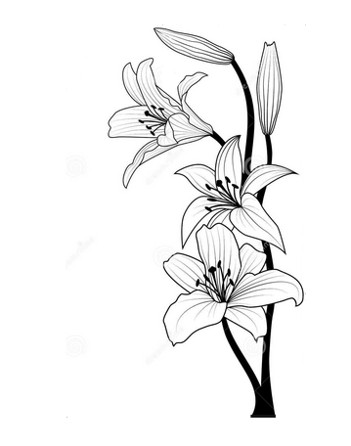 | Lizpa Landscaping, Inc.

 | Bill To: | Barbara Wit | Phone: | 407-493-1399 | Invoice #: | 1223
 | Address: | 608 Washington Oaks Court Lake Mary, FL 32746 | Fax: |  | Invoice Date: | 2023-12-01
 | Service Address: | SAME AS ABOVE | Email: | barjwit@gmail.com

 | Qty | Description |  |  |  | Price

 |  | Monthly Maintenance Services at above address for month of November |  |  |  | $180.00

 | Make all checks payable to Lizpa Landscaping, Inc. 141 Sunset Dr. Longwood, FL 32750
 | Thank you for your business!! |  |  |  | TOTAL | $180.00

